Sheet1
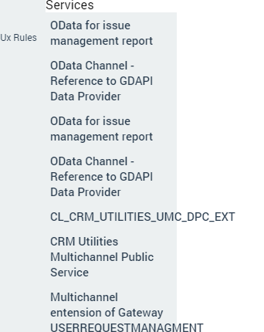
Log on Norman
Import BI catalog
Click on admin
set login: anzeiger and pwd: display click on run
wait 5 minutes
click on project and click on admin | check Services information appears

Create a Project with Blank option
click on Projects
New Project
Set project Title: TESTPROJECT, enter
Create a Data Model with blank option
Open the project: Click on TESTPROJECT project
Click on Go to Data Model button
On Create a Data Model Window click on Blank | Check an empty canvas appears
Add 3 Entities Manually:
click on + and click on Manual | check Entity is created
click on + and click on Manual | check Entity2 is created
click on + and click on Manual | check Entity3 is created
Add properties to Entity entity
select Entity entity | In right panel Entity appears
In right panel on properties tab click on + New Property | Check new property control is displayed
In property control set Prop1 as name and click outside (keep String type) | check Prop1 appears in properties panel
Add a relation between Entity and Entity2
click on link icon of Entity then move the mouse over Entity2 and unclick | Check the relation between new and new2 appears
Entity is selected, in right panel Click on Relations Tab | Check
Add 1 entity with import XLS
click on + and click on Import xls and select Order.xlsx file | Check order entity appears in the canvas
In right panel in properties panel check order entity's properties appear | Check the following properties are displayed: id, name author, amount, currency, date
Add a relation between order and entity3
click on link icon of entity order then move the mouse over Entity3 and unclick | Check the relation between order and Entity3 appears
order is selected , On right panel Click on Relations Tab | check
Add 1 entity with search
click on + and click select From Search | check SEARCH FOR DATA OBJECTS windows appears
in SEARCH FOR DATA OBJECTS, in search field set Sales | Check the list is displaying data object which names are containing sales
Select SalesOrderItem, click on Object and click on Select | Check Salesorderitem entity appears in the canvas
Check the SalesOrderitem properties have been correctly imported | Check the following properties are displayed: ID, QuantityUnit, Quantity, DeliveryDate, TaxAmountExt, TaxAmout, NetAmountExt, NetAmount, Sold, SolItemPos, GrossAmountExt, ProductId, Note, CurrencyCode, GrossAmount
Modify Entity and Property (name and type from string to Decimal)
Doucle-click on Entity entity, change its name to NEWNAME, click outside or enter | Check the entity name is updated with NEWNAME
Doucle-click on Entity2 entity, change its name to NEWNAME2, click outside or enter | Check the entity name is updated with NEWNAME2 and that relation from NEWNAME to NEWNAME2 has been updated with the NEWNAME2 as Target Object
Click on NEWNAME's Prop1 property
Change Type from String to Decimal | Check the type becomes Decimal
Click on Mandatory Toggle button to change state | Check the property becomes no mandatory
Click on Read-Only Toggle button to change state | Check the property becomes Read-Only
Click outside of panel to close properties windows | Check the icon key becomes white
in right panel, in properties tab, click on Prop1 | Check properties windows appears with toogle buttons on the correct positions
Export Model
click on NEWNAME entity
in right panel, click on sample tab
choose on NEWNAME radiobutton, leave Manage Relations with Tables toggle off
Click on export | Check a file is download
Open file with excel, and add dada in first column and 12 in the second
in right panel, in sample tab, click on import | Check Choose file button and drop file here area appears
click on choose file button, select the Excel file with data
Select NEWNAME Entity
In right panel\sample click on View | Check , a table with date set in excel file appears and that data/12 have been imported
click on back button browser to return on canvas

Create a Project with search option
click on Projects
New Project
Set project Title: TESTPROJECTSEARCH, enter
Create a Data Model with search option
Open the project: Click on TESTPROJECTSEARCH
Click on Go to Data Model button
On Create a Data Model Window click on Search | Check Create a Data Model by Searching windows appears
in search field, set "In" | In from catalog list Check following application appears: Approve Supplier Invoices, ZBRAZIL1 CL_CRM_UTILITIES_UMC_DPC_EXT, ZDEMO_WORKSHOP
Click on Approve Supplier Invoices | Check the following entities and relations appear in the canvas
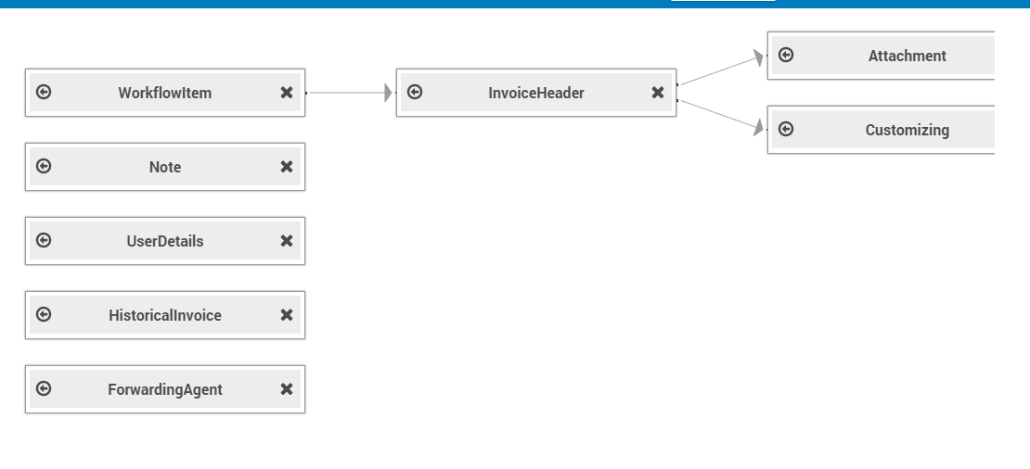
select each entities and check all entities are properties in properties panel
Generate Page flow (choose Master Detail in Read only)
Run App

Log on Norman
Create a Project with xls option
click on Projects
New Project
Set project Title: TESTPROJECTXLS, enter
Open the project: Click on TESTPROJECTXLS
Click on Go to Data Model button
On Create a Data Model Window click on Import xls | Check windows to choose xls file appears
Click on Select File to upload button and select Sales Order Data model.xlsx file | Check canvas appears with these entities and these relations

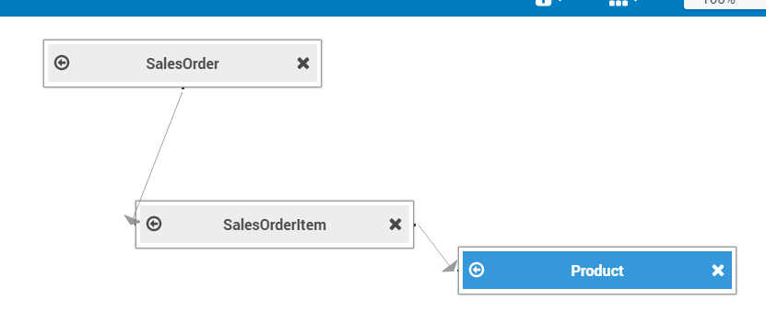

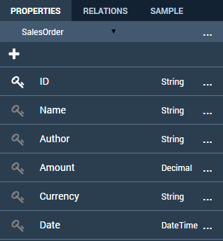
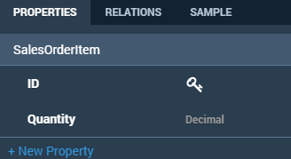
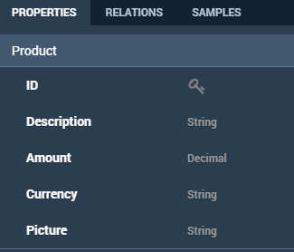
Select SalesOrder entity
In the right panel in properties tab check Salesorder has the following properties | Check SalesOrder properties | Check SalesOrderItem properties | Check Product properties
Select SalesOrderItem entity
In the right panel in properties tab check SalesorderItem has the following properties
Select Product entity
In the right panel in properties tab check Product has the following properties

Update Data Model with import xls option
Delete Product entity: Select Product, click on cross icon. | Check Product disappears of canvas and that relation from SalesorderItem to Product is removed
add entity with import xls: Click on + icon, click on import xls, select Product.xlsx file | Check product entity appears on canvas
Select Product entity
In the right panel in properties tab check Product has the following properties | Check Product properties
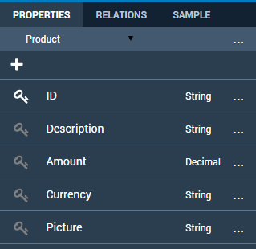

On right panel click on SAMPLE, click on View | Check the product table appears with data

Click on browser Back button | Check the canvas page appears

Run Prototype
Click on Prototype
Click on Go to Page Flow button
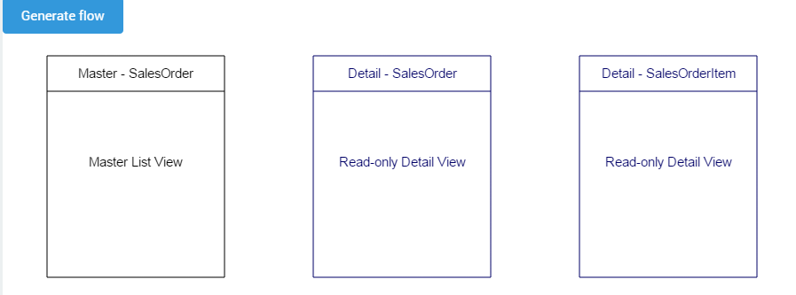
Click on Generate flow button | Check page is updated
Choose Master Detail in Read Only

Click on Run Button | Check application appears in a new page

Close the application tab
Logout | Check you're logged out

